Scatter 3d Plot
PLOTLY 3D SCATTERPLOT

HYPER PARAMETERS FOR PLOTLY SCATTER 3D PLOT | REFERENCE

 | ⇰REFERENCE (Website)--> Plotly Regarding Snapshot of all Hyper Parameter for plotly.scatterplot 3d Plot()

 | ⇰REFERENCE (Website)--> Plotly Regarding Practical Implementation (Coding) of Scatter 3d Plot

⇰BRIEF EXPLANATION OF PLOTLY 3D SCATTERPLOT ➡A three-dimensional (3D) scatter plot is like a scatter plot, but with three variables ->x, y, and z or f(x, y) are real numbers. The graph can be represented as dots in a three-dimensional Cartesian coordinate system. It is typically drawn on a two-dimensional page or screen using perspective methods (isometric or perspective), so that one of the dimensions appears to be coming out of the page. | ⇰REFERENCE (Website)-->Geeks for Geeks Regarding Plotly 3D Scatter Plot (Plotly)

 | ⇰REFERENCE (Website)-->Tutorial Point Regarding Plotly - 3D Scatter and Surface Plot

⇰data_frame (df) ❶ A DataFrame is a data structure that organizes data into a 2-dimensional table of rows and columns, much like a spreadsheet. ❷We know pandas is built on numpy but pandas make data more interactive & informative set of data that's although information is same but in pandas data is more intaractive and meaningful because of information is present in data frame ( with labels and index ) so labels on rows & columns yield more meaningful information as compared to numpy . | ⇰REFERENCE (Website)--> Plotly Regarding Total No of Available Plots in Plotly

 | ⇰REFERENCE (Website)-->Plotly Regarding Various Hyper parameters for Scatter 3D Plot

 | ⇰REFERENCE (Website)--> Google Colab 1.10 Introduction to Pandas Regarding Definition of Dataframe Example

 | ⇰REFERENCE (Website)-->[(SupLearning) 1.7 Google Colab Logistic Regression Regarding Practical Implementation of Plotly 3D Scatterplot

⇰x (str or int or Series or array-like) ❶ Either a name of a column in data_frame, or a pandas Series or array_like object. Values from this column or array_like are used to position marks along the x axis in cartesian coordinates. Basically in Other Word Feature [X1 ,X2,X3] Like [X1 =TV] ,[X2=Radio] ,[X3=newspaper]. | ⇰REFERENCE (Website)-->1.1Google Colab Sup.V Learning Linear Regression Regarding Dataset Which Right Here Correlated Against Feature {X} & Output {y}.

⇰y (str or int or Series or array-like) ❶Either a name of a column in data_frame, or a pandas Series or array_like object. Values from this column or array_like are used to position marks along the y axis in cartesian coordinates.Basically Here in this case it will be an Output (y) [y=Sales].
 | ⇰REFERENCE (Website)--> Plotly Regarding Snapshot of all Hyper Parameter for plotly.scatterplot 3d Plot()

⇰z (str or int or Series or array-like) – Either a name of a column in data_frame, or a pandas Series or array_like object. Values from this column or array_like are used to position marks along the z axis in cartesian coordinates.
 | ⇰REFERENCE (Website)-->Wikipedia Regarding Cartesian System (x,y,z)

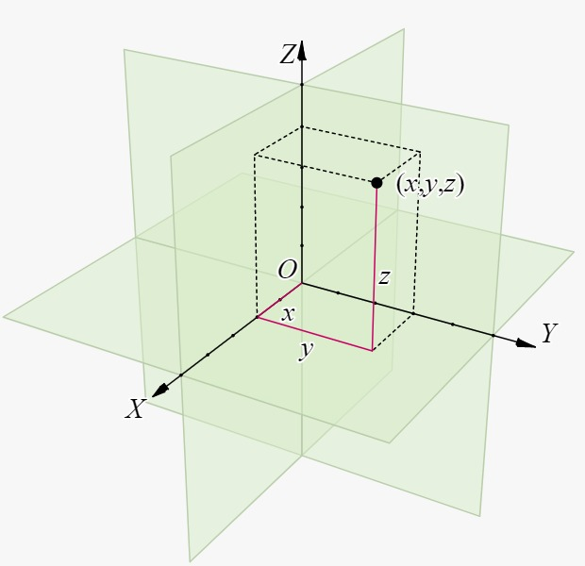

 | ⇰REFERENCE (Website)-->Geeks for Geeks Regarding Plotly 3D Scatter Plot (Plotly)

 | ⇰REFERENCE (Website)-->Tutorial Point Regarding Plotly - 3D Scatter and Surface Plot

 | ⇰REFERENCE (Website)--> W3SCHOOL Regarding Thereotical & Practical Definition of Data Frame

⇰CORRELATION ❶A fourth variable can be set to correspond to the color or size of the markers, thus, adding yet another dimension to the plot. The relationship between different variables is called correlation. | ⇰REFERENCE (Website)-->1.1Google Colab Sup.V Learning Linear Regression Regarding Dataset Which Right Here Correlated Against Feature {X} & Output {y}.

 | ⇰REFERENCE (Website)--> Plotly Regarding Practical Implementation (Coding) of Scatter 3d Plot

 | ⇰REFERENCE (Website)--> W3SCHOOL Regarding Thereotical & Practical Definition of Data Frame

①HYPER PARAMETERS FOR PLOTLY 3D SCATTERPLOT WITH ALL BASIC HYPER PARAMETERS TUNING | ⇰REFERENCE (Website)--> Plotly Regarding Snapshot of all Hyper Parameter for plotly.scatterplot 3d Plot()

⇰BRIEF EXPLANATION OF PLOTLY 3D SCATTERPLOT ❶A three-dimensional (3D) scatter plot is like a scatter plot, but with three variables - x, y, and z or f(x, y) are real numbers. The graph can be represented as dots in a three-dimensional Cartesian coordinate system. It is typically drawn on a two-dimensional page or screen using perspective methods (isometric or perspective), so that one of the dimensions appears to be coming out of the page. ❷ A Scatter3D trace is a graph object returned by go.Scatter3D() function. Mandatory arguments to this function are x, y and z each of them is a list or array object.

 | ⇰REFERENCE (Website)--> Plotly Regarding Practical Implementation (Coding) of Scatter 3d Plot

 | ⇰REFERENCE (Website)-->Geeks for Geeks Regarding Plotly 3D Scatter Plot (Plotly)

 | ⇰REFERENCE (Website)-->Tutorial Point Regarding Plotly - 3D Scatter and Surface Plot
⇰color (str or int or Series or array-like) ❶Either a name of a column in data_frame, or a pandas Series or array_like object. Values from this column or array_like are used to assign color to marks. Rest of The Hyper Parameter Explained in Preceding Excel cell.

 | ⇰REFERENCE (Website)-->Plotly Regarding Continuous Color Scales and Color Bars in Python
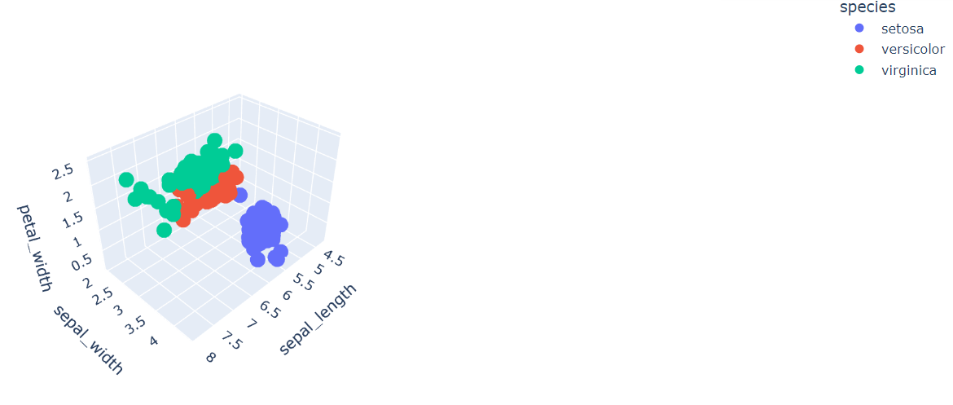

 | ⇰REFERENCE (Website)--> Plotly Regarding Total No of Available Plots in Plotly

 | ⇰REFERENCE (Website)-->Plotly Regarding Various Hyper parameters for Scatter 3D Plot

 | ⇰REFERENCE (Website)-->1.2 Google Colab (Plotly Intermediate Regarding Basics Coding Of Plotly 3D Scatterplot (With Basic Hyper parameter)

②HYPER PARAMETERS FOR PLOTLY 3D SCATTERPLOT WITH HYPER PARAMETERS FOR MARKER SIZE ,COLOR & HOVERING DATA & HOVERING NAMES | ⇰REFERENCE (Website)--> Plotly Regarding Snapshot of all Hyper Parameter for plotly.scatterplot 3d Plot()

⇰hover_data--> Either a list of names of columns in data_frame, or pandas Series, or array_like objects or a dict with column names as keys,Values from these columns appear as extra data in the hover tooltip. Basically At Time When Mouse Cursor Hovered Around Plot We Can see that various Column data in Single Bubble. |  | ⇰REFERENCE (Website)-->Plotly Regarding Practical Implementation of Hover Text & Formatting in Python By Plotly

 | ⇰REFERENCE (Website)--> Plotly Regarding Practical Implementation (Coding) of Scatter 3d Plot

⇰size (str or int or Series or array-like) ❶Either a name of a column in data_frame, or a pandas Series or array_like object. Values from this column or array_like are used to assign mark sizes. Basically in these Condition size & Color Are Inter related Due to Data is Exhibited depend upon Mark Size.

 | ⇰REFERENCE (Website)-->Geeks for Geeks Regarding Plotly 3D Scatter Plot (Plotly)

⇰size_max((int (default 20)) ❶Set the maximum mark size when using size.
 | ⇰REFERENCE (Website)-->Tutorial Point Regarding Plotly - 3D Scatter and Surface Plot

⇰color (str or int or Series or array-like) ❶Either a name of a column in data_frame, or a pandas Series or array_like object. Values from this column or array_like are used to assign color to marks. |  | ⇰REFERENCE (Website)--> Plotly Regarding Various Colour Related Hyper Parameter 's Practical Implementation in Plotly
 | ⇰REFERENCE (Website)--> Plotly Regarding Total No of Available Plots in Plotly

⇰hover_name() ❶Either a name of a column in data_frame, or a pandas Series or array_like object. Values from this column or array_like appear in bold in the hover tooltip.Basically At Time When Mouse Cursor Hovered Around Plot We Can see that various Column data in Single Bubble On the Top of that with name of column 's data that we want to specify in bold letter (Above top notch). | ⇰REFERENCE (Website)-->Plotly Regarding Various Hyper parameters for Scatter 3D Plot | ⇰REFERENCE (Website)-->Plotly Regarding Practical Implementation of Hover Text & Formatting in Python By Plotly

 | ⇰REFERENCE (Excel Sheet)-->Plotly Scatter Plot Excel Sheet Regarding Various Hyper Parameter Like Hovering , Colour ,Size,Size_Max

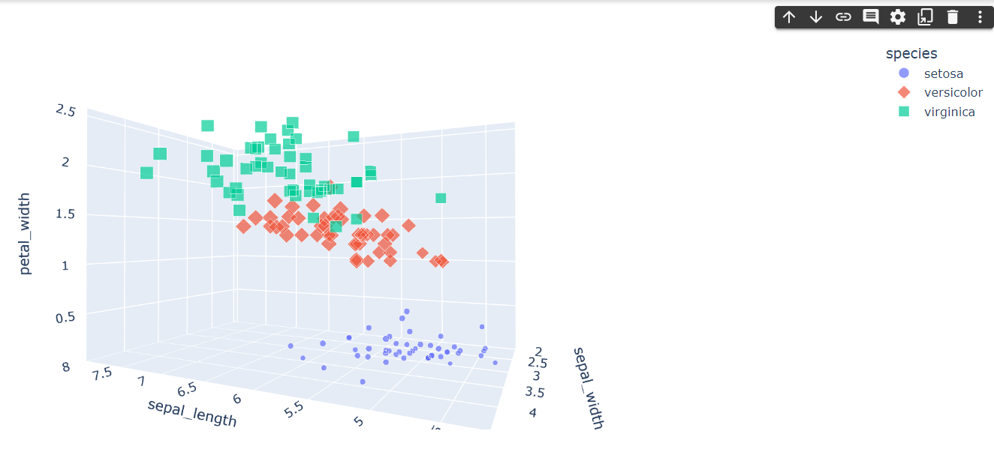

 | ⇰REFERENCE (Website)-->1.2 Google Colab (Plotly Intermediate Regarding Basics Coding Of Plotly 3D Scatterplot (With Hovering & Size Hyper Parameter)

 | ⇰REFERENCE (Website)-->[(SupLearning) 1.7 Google Colab Logistic Regression Regarding Practical Implementation of Plotly 3D Scatterplot

③HYPER PARAMETERS FOR PLOTLY 3D SCATTERPLOT WITH HYPER PARAMETERS OF LAYOUT ,OPACITY,SIZING OF PLOT AS WELL AS TITLE | ⇰REFERENCE (Website)--> Plotly Regarding Snapshot of all Hyper Parameter for plotly.scatterplot 3d Plot()

⇰title (str) – The figure title.
 | ⇰REFERENCE (Website)--> Plotly Regarding Adjusting Height, Width, & Margins with Plotly Express

⇰width (int (default None)) ❶The figure width in pixels. (Basically By Default Length * Breath ) By 800*600

⇰height (int (default None)) ❶The figure height in pixels. (Basically By Default Length * Breath) By 800*600 | ⇰REFERENCE (Website)--> Plotly Regarding Practical Implementation (Coding) of Scatter 3d Plot

⇰opacity ❶opacity (float) – Value between 0 and 1. Sets the opacity for markers.

 | ⇰REFERENCE (Website)-->Geeks for Geeks Regarding Plotly 3D Scatter Plot (Plotly)

 | ⇰REFERENCE (Website)-->Tutorial Point Regarding Plotly - 3D Scatter and Surface Plot

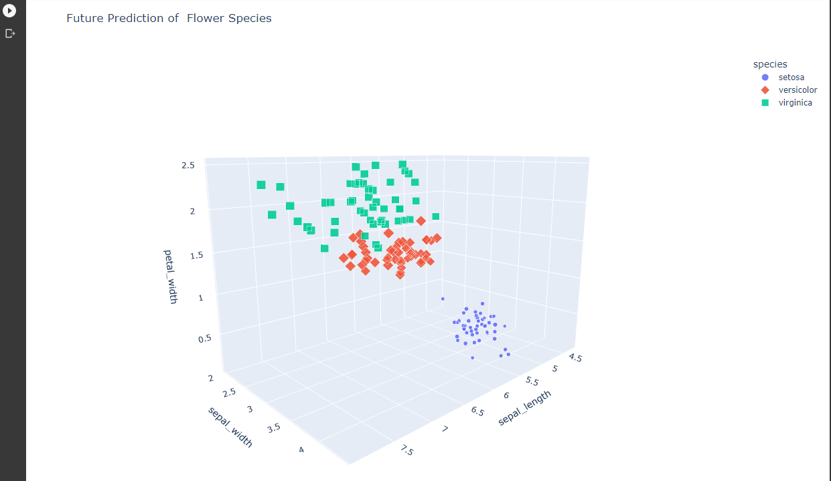
 | ⇰REFERENCE (Website)--> Plotly Regarding Total No of Available Plots in Plotly

 | ⇰REFERENCE (Website)-->Plotly Regarding Various Hyper parameters for Scatter 3D Plot

 | ⇰REFERENCE (Website)-->1.2 Google Colab (Plotly Intermediate Regarding Basics Coding Of Plotly 3D Scatterplot (With Title,Width,Height,Opacity Hyper Parameter)

④HYPER PARAMETERS FOR PLOTLY 3D SCATTERPLOT WITH HYPER PARAMETERS OF (RANGE_X,RANGE_Y,RANGE_Z) & log_x,log_y,log_z | ⇰REFERENCE (Website)--> Plotly Regarding Snapshot of all Hyper Parameter for plotly.scatterplot 3d Plot()

⇰log_x (boolean (default False)) ❶If True, the x-axis is log-scaled in cartesian coordinates.

⇰log_y (boolean (default False)) ❶If True, the y-axis is log-scaled in cartesian coordinates.
 | ⇰REFERENCE (Website)--> Plotly Regarding Practical Implementation (Coding) of Scatter 3d Plot
⇰log_z (boolean (default False)) ❶If True, the z-axis is log-scaled in cartesian coordinates.

⇰range_x (list of two numbers) ❶ If provided, overrides auto-scaling on the x-axis in cartesian coordinates.
 | ⇰REFERENCE (Website)-->Geeks for Geeks Regarding Plotly 3D Scatter Plot (Plotly)
⇰range_y (list of two numbers) ❶If provided, overrides auto-scaling on the y-axis in cartesian coordinates.

⇰range_z (list of two numbers) ❶If provided, overrides auto-scaling on the z-axis in cartesian coordinates. | ⇰REFERENCE (Website)-->Tutorial Point Regarding Plotly - 3D Scatter and Surface Plot

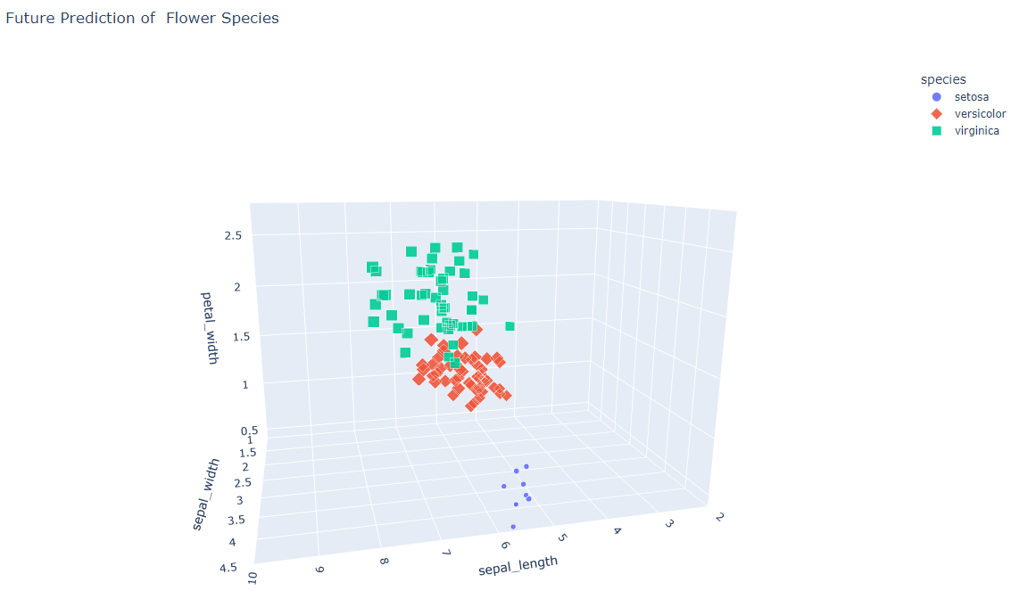

 | ⇰REFERENCE (Website)--> Plotly Regarding Total No of Available Plots in Plotly

 | ⇰REFERENCE (Website)-->Plotly Regarding Various Hyper parameters for Scatter 3D Plot

 | ⇰REFERENCE (Website)-->1.2 Google Colab (Plotly Intermediate Regarding Basics Coding Of Plotly 3D Scatterplot (With log_x,log_y,log_z) & (range_x,range_y,range_z) Hyper Parameter)

 | ⇰REFERENCE (Website)-->[(SupLearning) 1.7 Google Colab Logistic Regression Regarding Practical Implementation of Plotly 3D Scatterplot

